Sheet1
#1 (70% alcoho gel) | Graph | Status | Image | Date
2 | 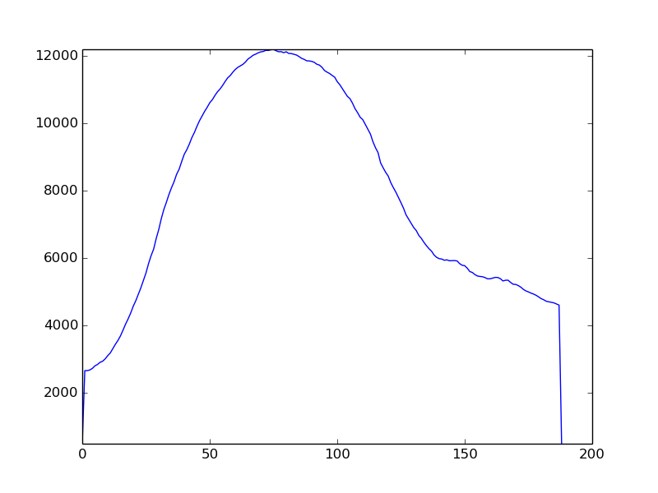 | no Finger |  | 2019-12-07 17:52:07.306989
3 | 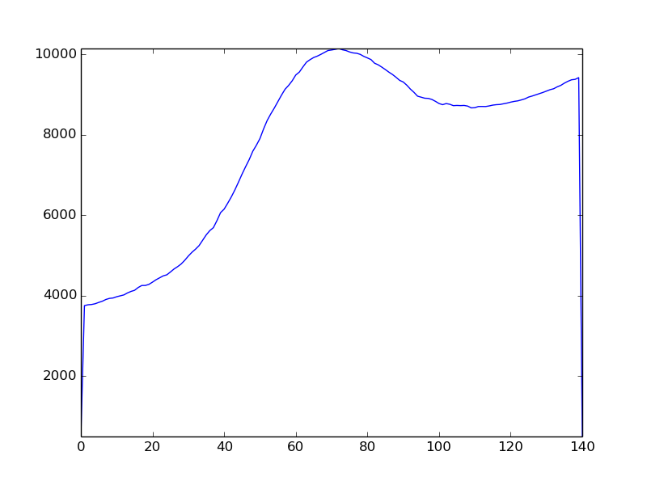 | no Finger |  | 2019-12-07 17:52:27.942036
4 | 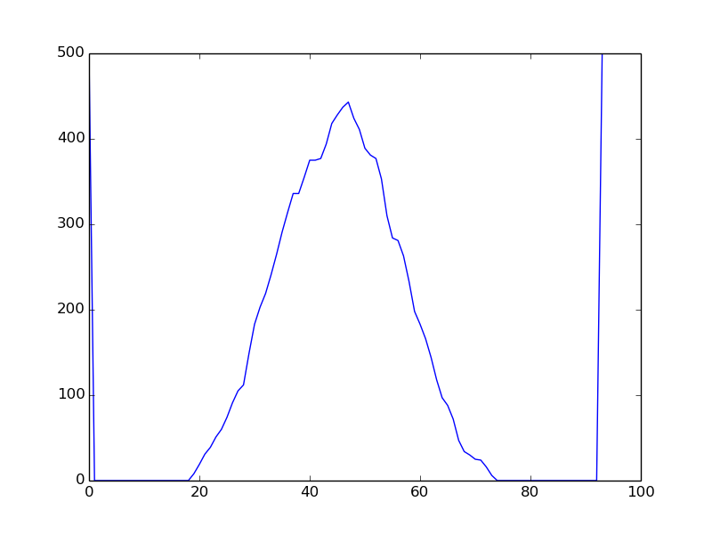 | not_drunk |  | 2019-12-07 17:52:53.052087
5 | 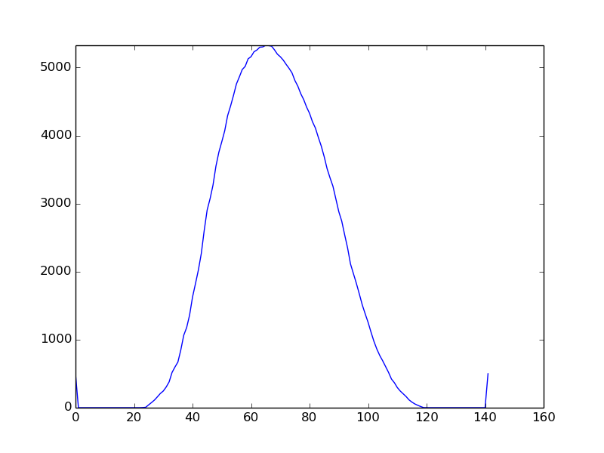 | not_drunk |  | 2019-12-07 17:53:02.523292
6 | 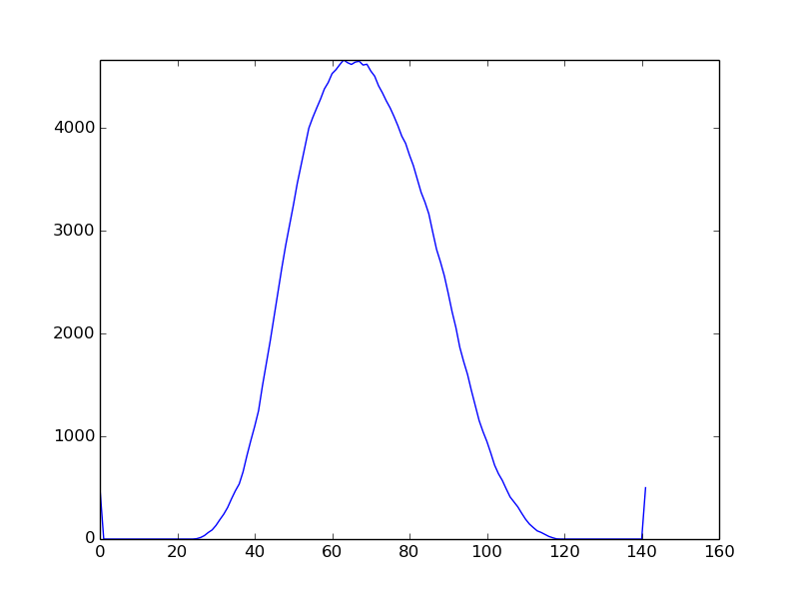 | drunk |  | 2019-12-07 17:53:37.660888
7 | 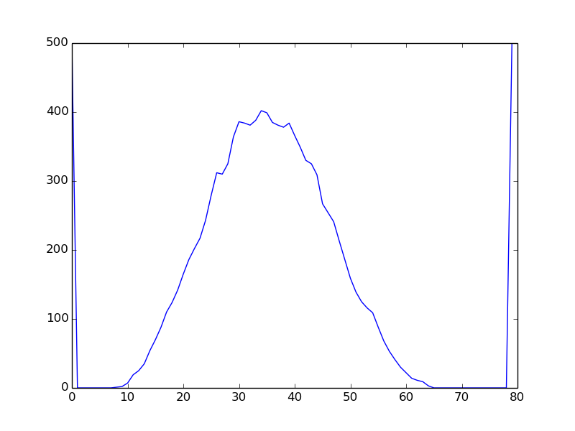 | drunk |  | 2019-12-07 17:53:48.353249
8 | 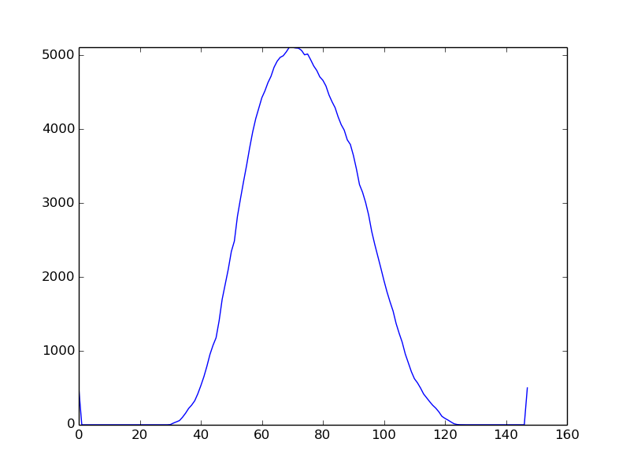 | drunk |  | 2019-12-07 17:54:09.246802
9 | 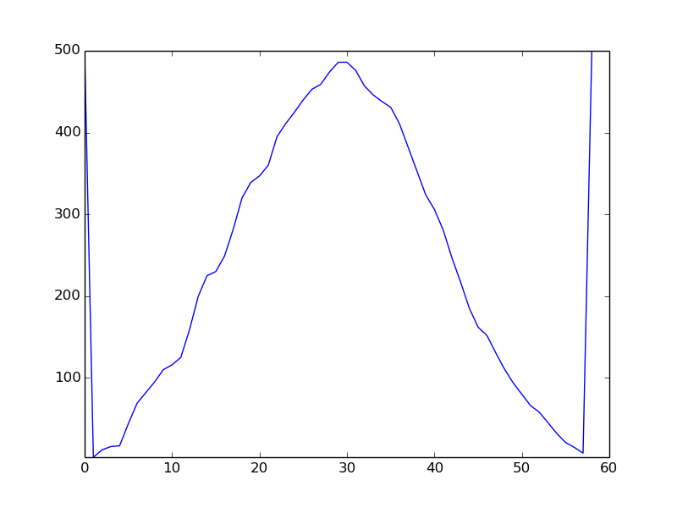 | drunk |  | 2019-12-07 17:54:19.679261
10 | 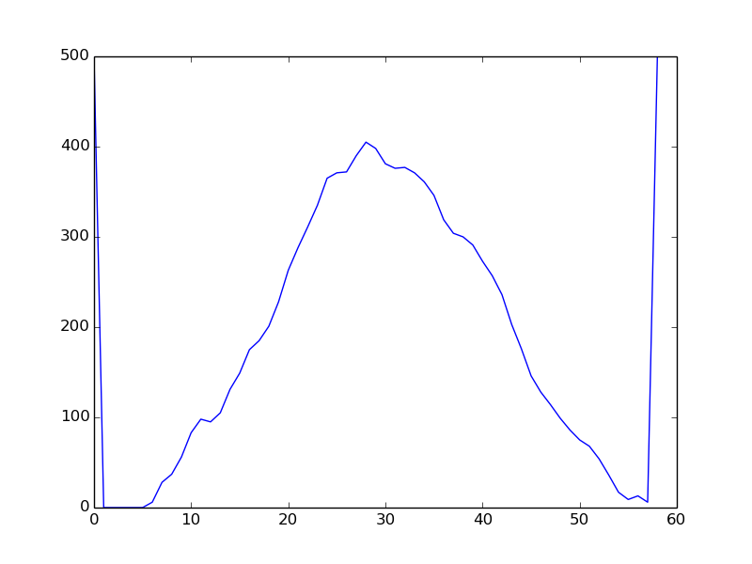 | drunk |  | 2019-12-07 17:54:55.811977
11 | 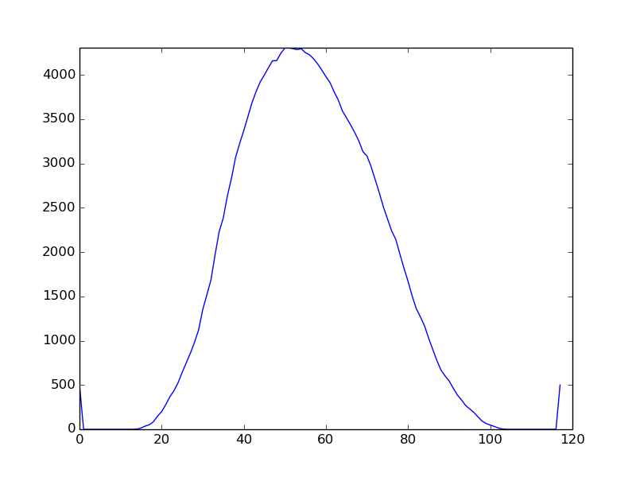 | drunk |  | 2019-12-07 17:55:04.979869
#2 (70% pure alcohol) | Graph | Status | Image | Date
1 | 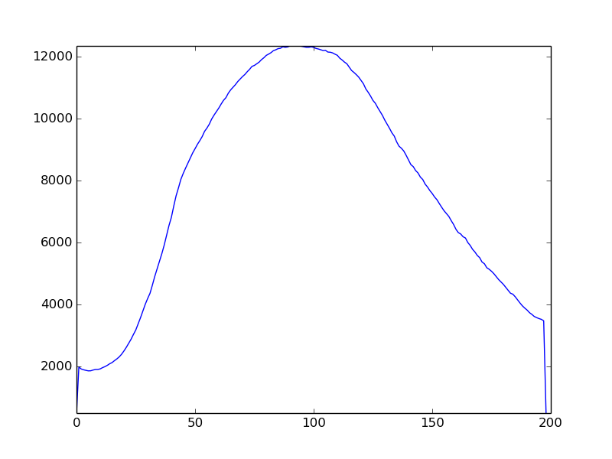 | no Finger |  | 2019-12-07 20:03:17.604908
2 | 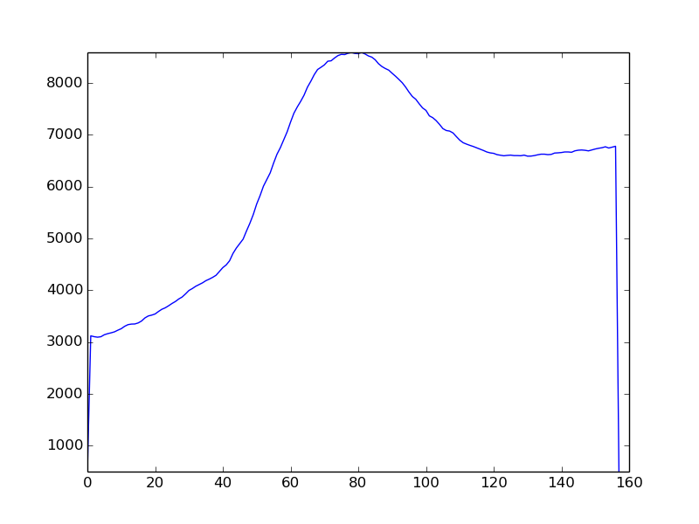 | no Finger |  | 2019-12-07 20:03:27.607445
3 | 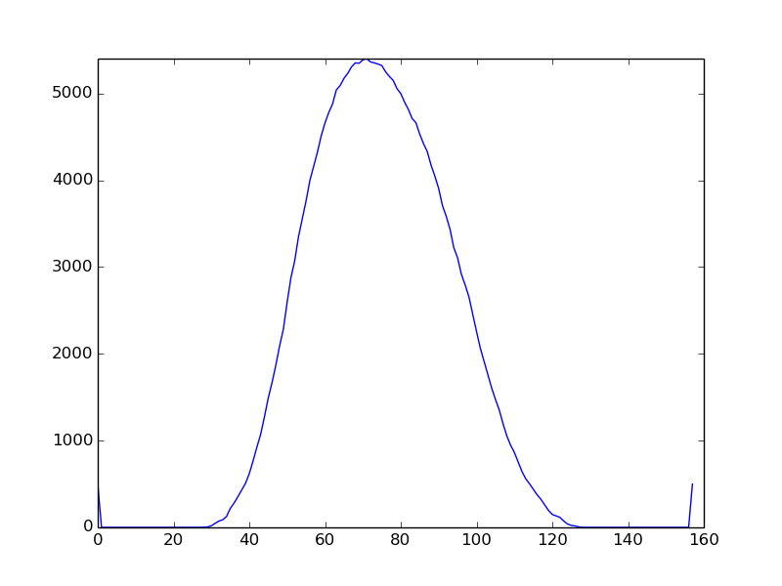 | not_drunk |  | 2019-12-07 20:03:44.797773
4 | 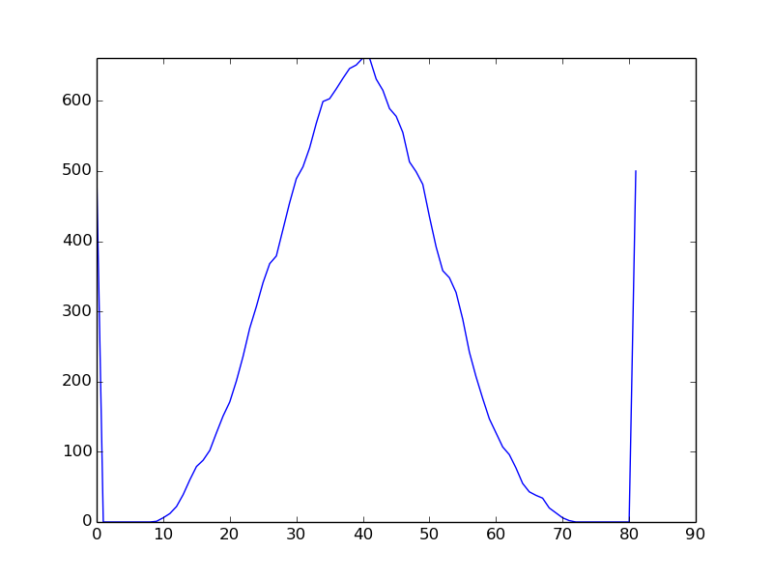 | not_drunk |  | 2019-12-07 20:03:53.808408
5 | 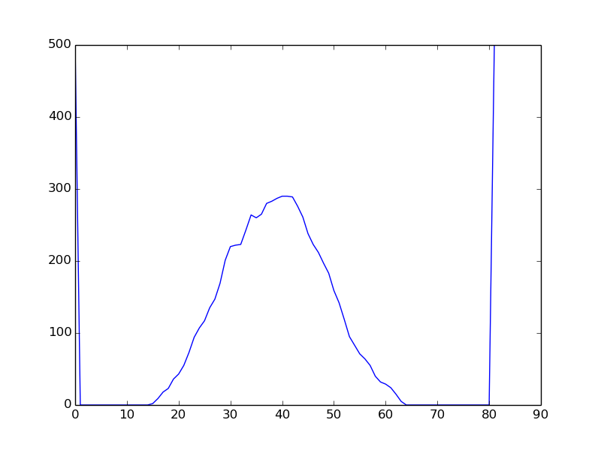 | drunk |  | 2019-12-07 20:04:13.600534
6 | 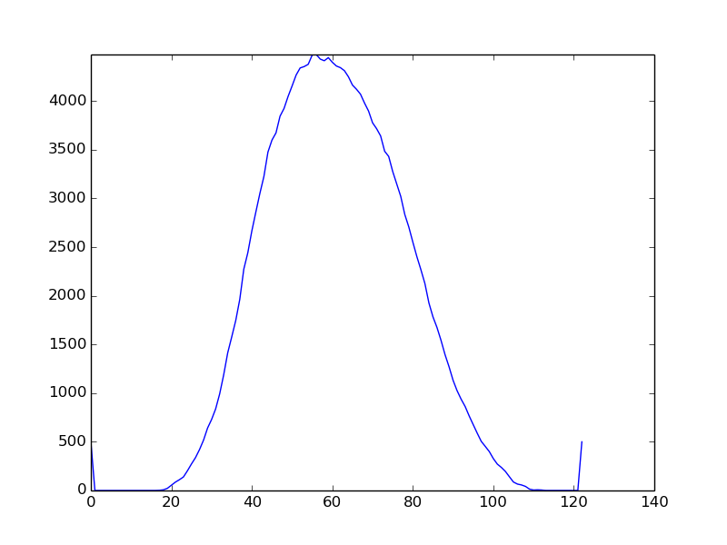 | drunk |  | 2019-12-07 20:04:22.918109
7 | 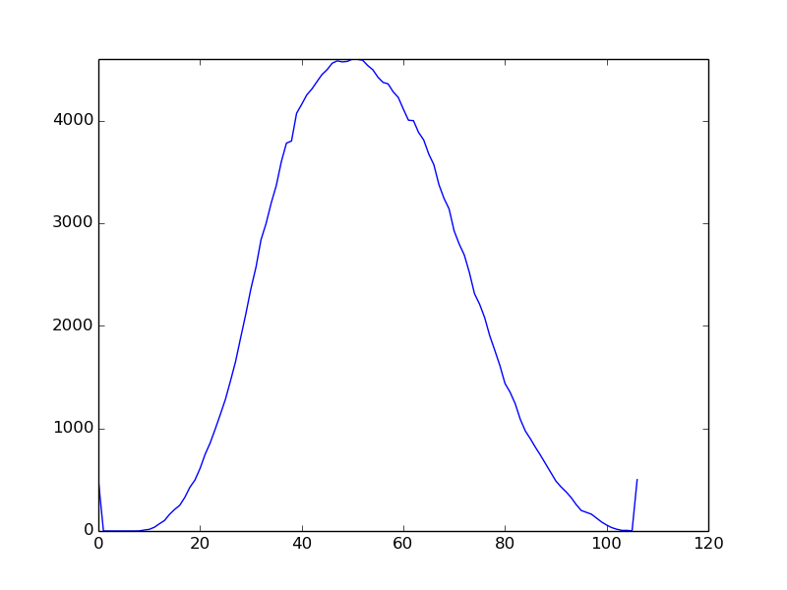 | drunk |  | 2019-12-07 20:04:31.556706
8 | 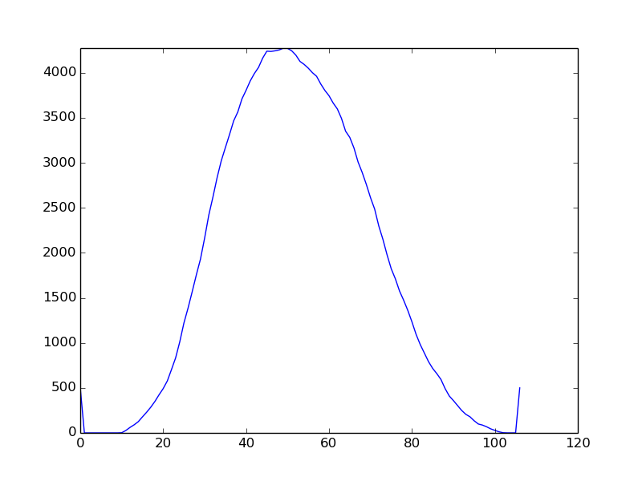 | drunk |  | 2019-12-07 20:04:49.342138
9 | 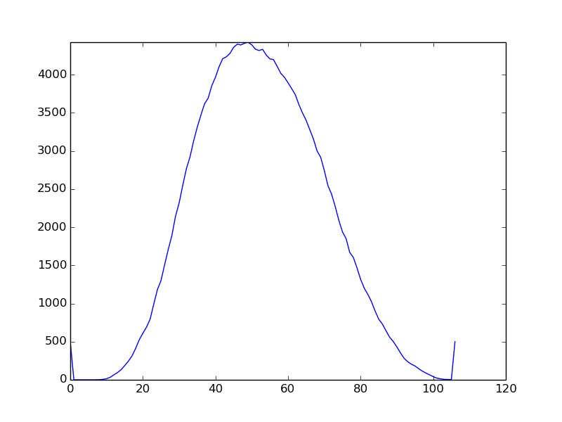 | drunk |  | 2019-12-07 20:04:53.674403
10 | 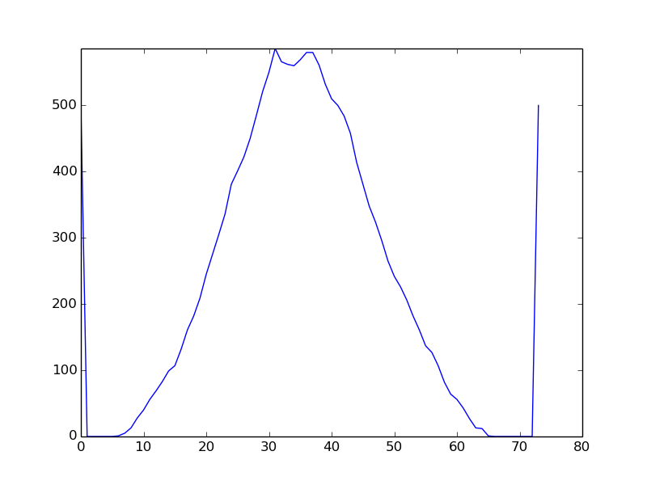 | drunk |  | 2019-12-07 20:05:11.063374
#3 (70% alcogel) | Graph | Status | Image | Date
1 | 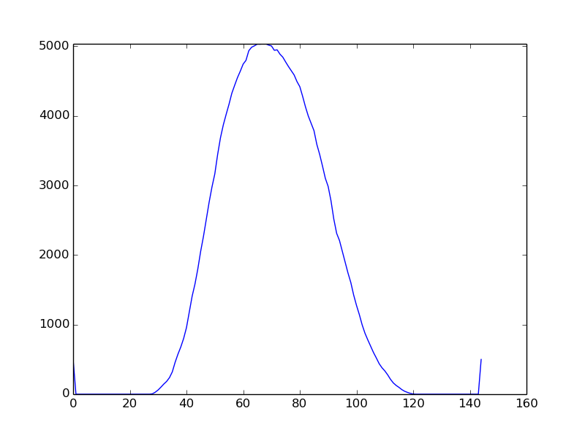 | not_drunk |  | 2019-12-07 19:51:04.963782
2 |  | not_drunk |  | 2019-12-07 19:51:12.632775
3 | 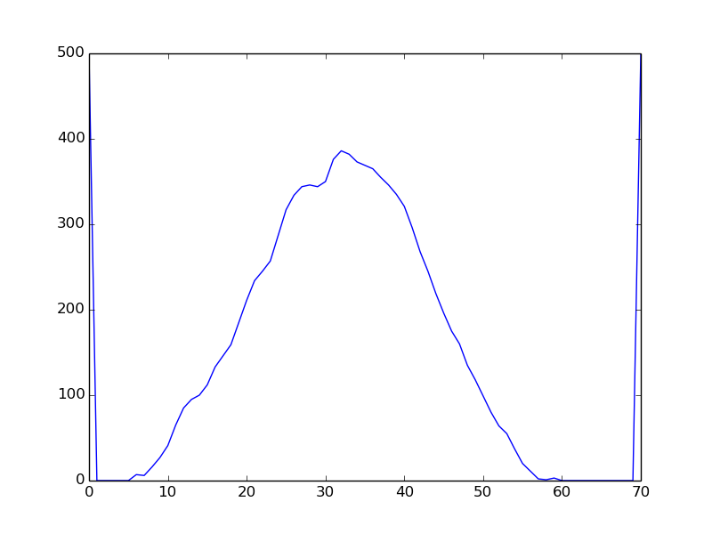 | not_drunk |  | 2019-12-07 19:51:22.466591
4 | 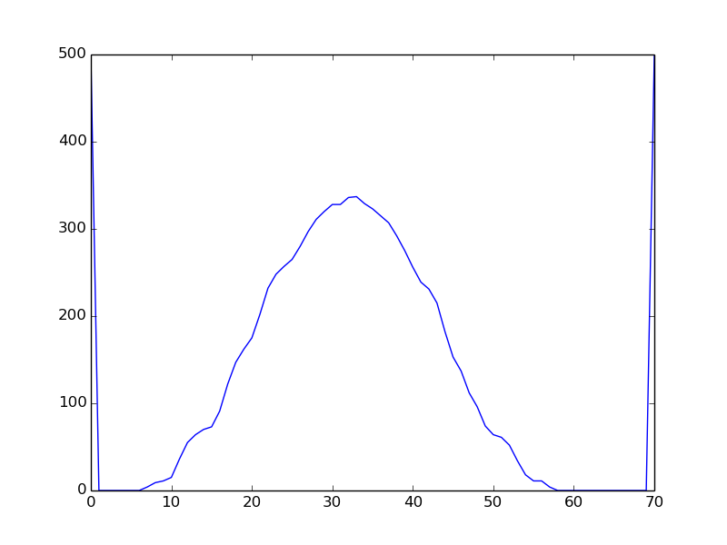 | drunk |  | 2019-12-07 19:52:29.197450
5 | 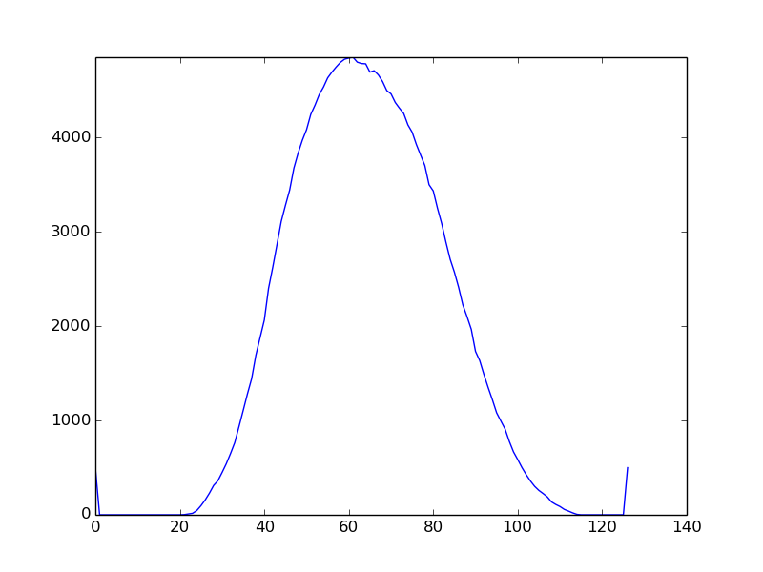 | drunk |  | 2019-12-07 19:52:36.678807
#4 (70% alcogel) | Graph | Status | Image | Settings | Date
1 | 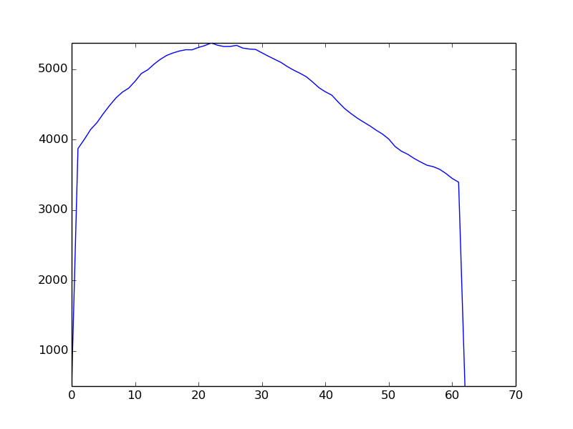 | no Finger |  | {'y2': 939, 'angle': 9.0, 'sensetivity': 615, 'flip': False, 'x2': 359, 'y1': 794, 'x1': 46} | 2019-12-11 19:57:22.371130
2 | 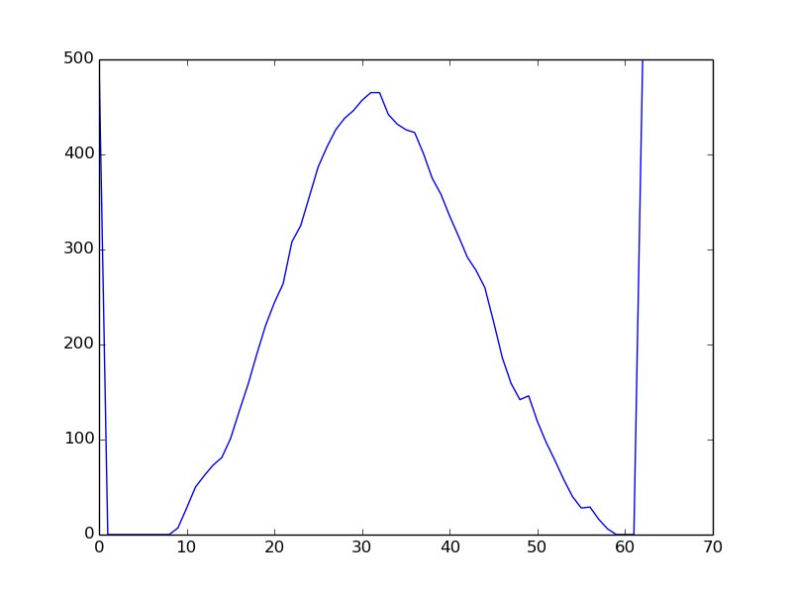 | not_drunk |  | {'y2': 939, 'angle': 9.0, 'sensetivity': 615, 'flip': False, 'x2': 359, 'y1': 794, 'x1': 46} | 2019-12-11 19:57:38.941981
3 | 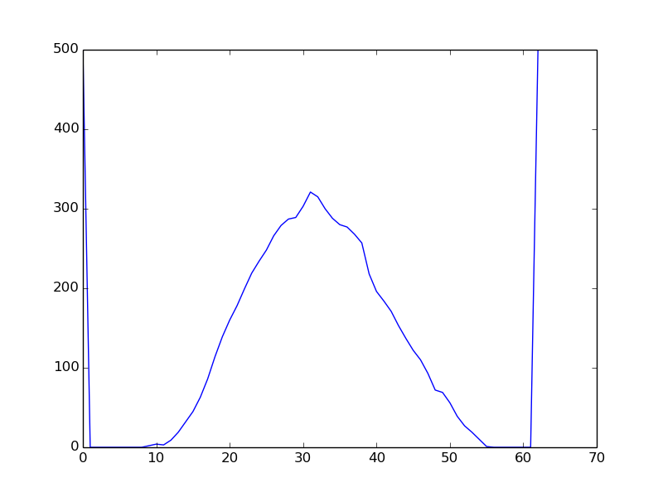 | drunk |  | {'y2': 939, 'angle': 9.0, 'sensetivity': 615, 'flip': False, 'x2': 359, 'y1': 794, 'x1': 46} | 2019-12-11 19:58:09.521468
#5 (70% alcogel) | Graph | Status | Image | Settings | Date
1 | 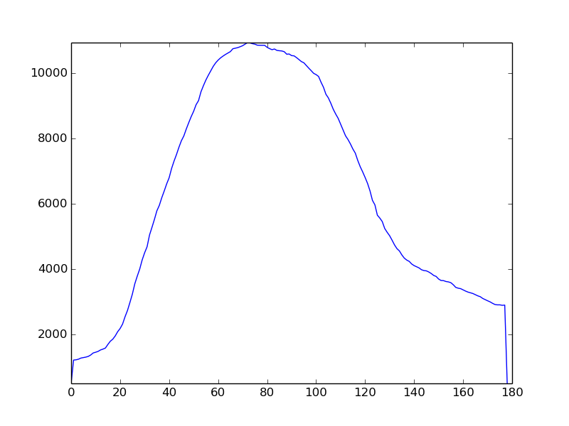 | No finger |  | {'y2': 939, 'angle': 9.0, 'sensetivity': 615, 'flip': False, 'x2': 359, 'y1': 794, 'x1': 46} | 2019-12-11 20:05:19.889846
2 | 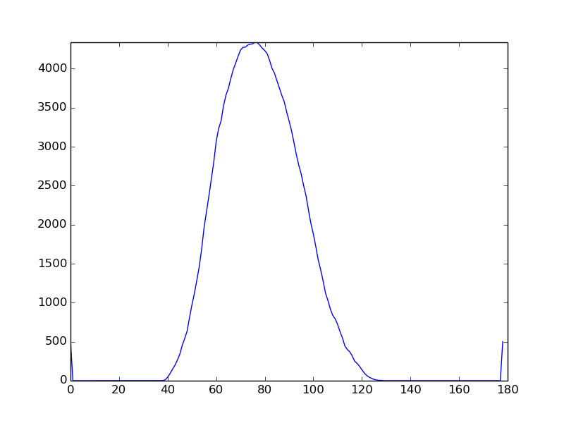 | not_drunk |  | {'y2': 939, 'angle': 9.0, 'sensetivity': 615, 'flip': False, 'x2': 359, 'y1': 794, 'x1': 46} | 2019-12-11 20:05:41.440647
3 |  | not_drunk |  | {'y2': 939, 'angle': 9.0, 'sensetivity': 615, 'flip': False, 'x2': 359, 'y1': 794, 'x1': 46} | 2019-12-11 20:05:58.565038
4 | 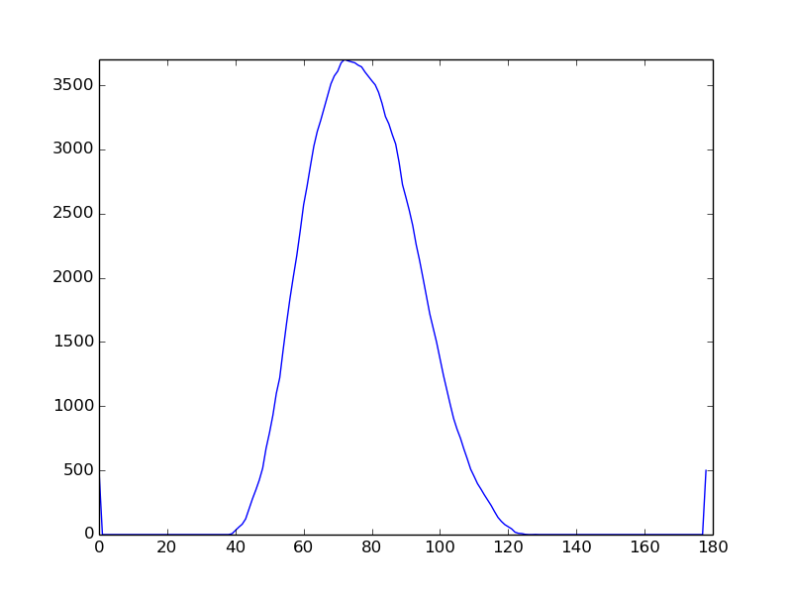 | drunk |  | {'y2': 939, 'angle': 9.0, 'sensetivity': 615, 'flip': False, 'x2': 359, 'y1': 794, 'x1': 46} | 2019-12-11 20:06:17.204044
5 | 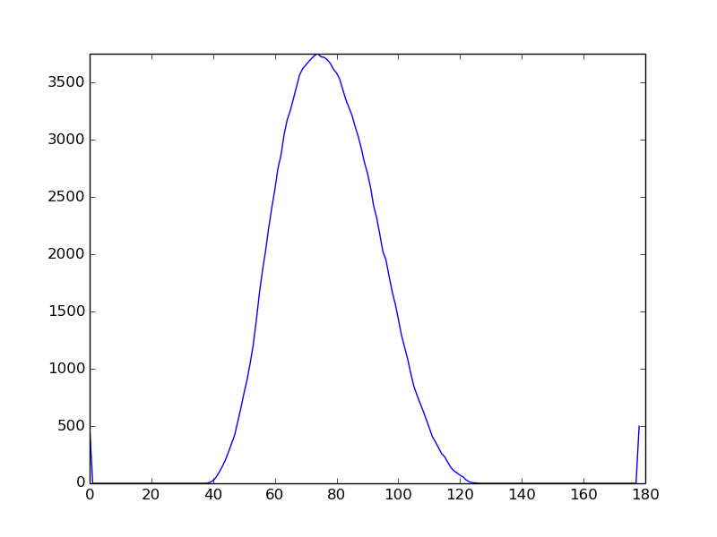 | drunk |  | {'y2': 939, 'angle': 9.0, 'sensetivity': 615, 'flip': False, 'x2': 359, 'y1': 794, 'x1': 46} | 2019-12-11 20:06:21.757945
#6 (100% Isporpopanol) | Graph | Status | Image | Settings | Date
1 | 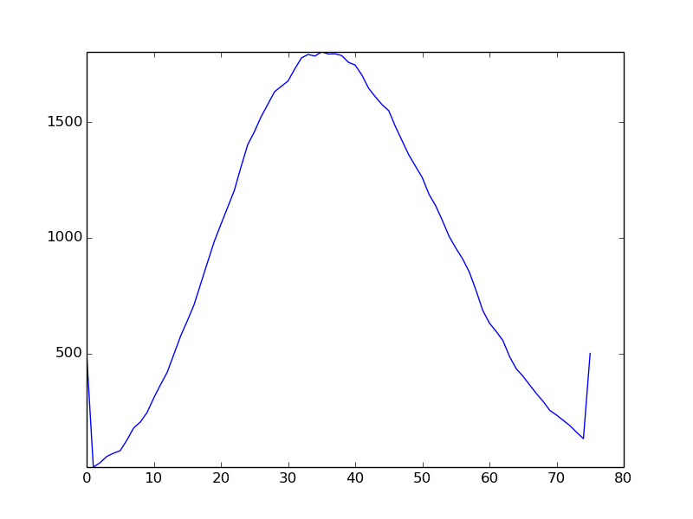 | not_drunk |  | {'y2': 939, 'angle': 25.0, 'sensetivity': 3000, 'flip': False, 'x2': 359, 'y1': 794, 'x1': 46} | 1/16/20
2 | 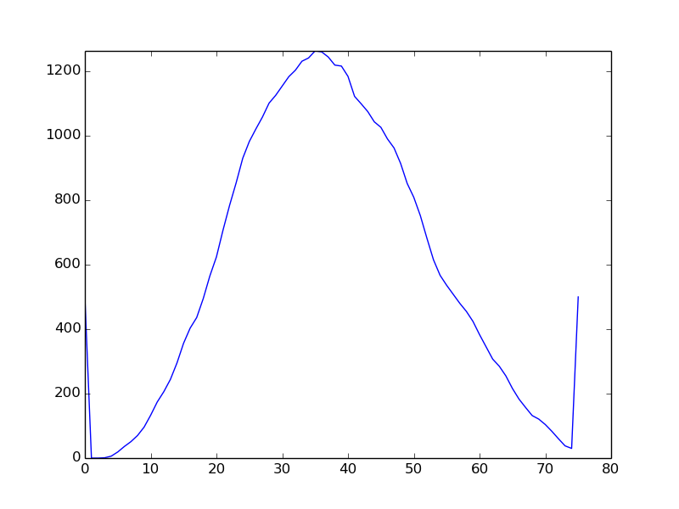 | drunk |  | {'y2': 939, 'angle': 25.0, 'sensetivity': 3000, 'flip': False, 'x2': 359, 'y1': 794, 'x1': 46} | 1/16/20
#7 (X% alcohol alcogel) | Graph | Status | Image | Settings | Date
1 | 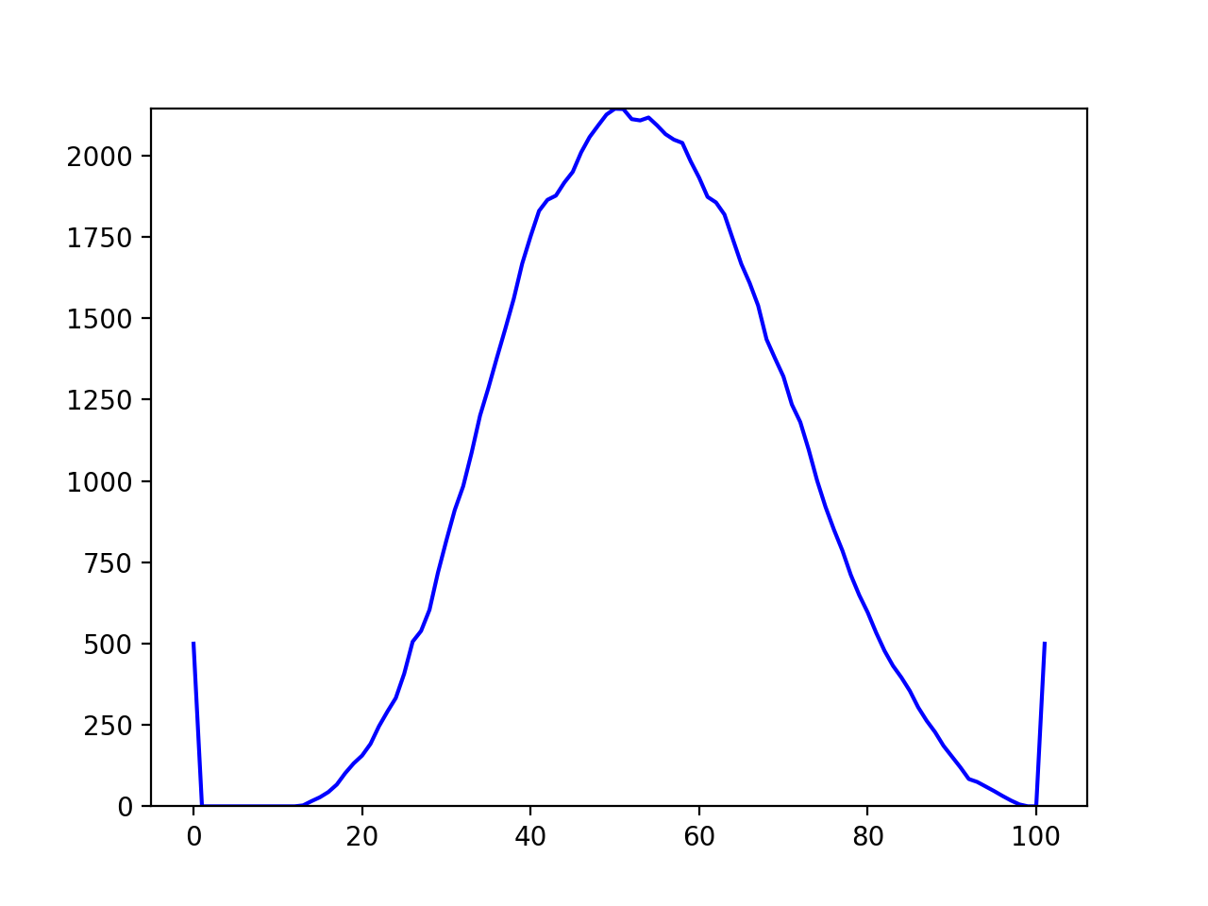 | not_drunk |  | {'sensetivity': 3000, 'x1': 46, 'y1': 794, 'x2': 359, 'y2': 939, 'angle': 25.0, 'flip': False} | 2020-03-01 17:57:36.248708
2 | 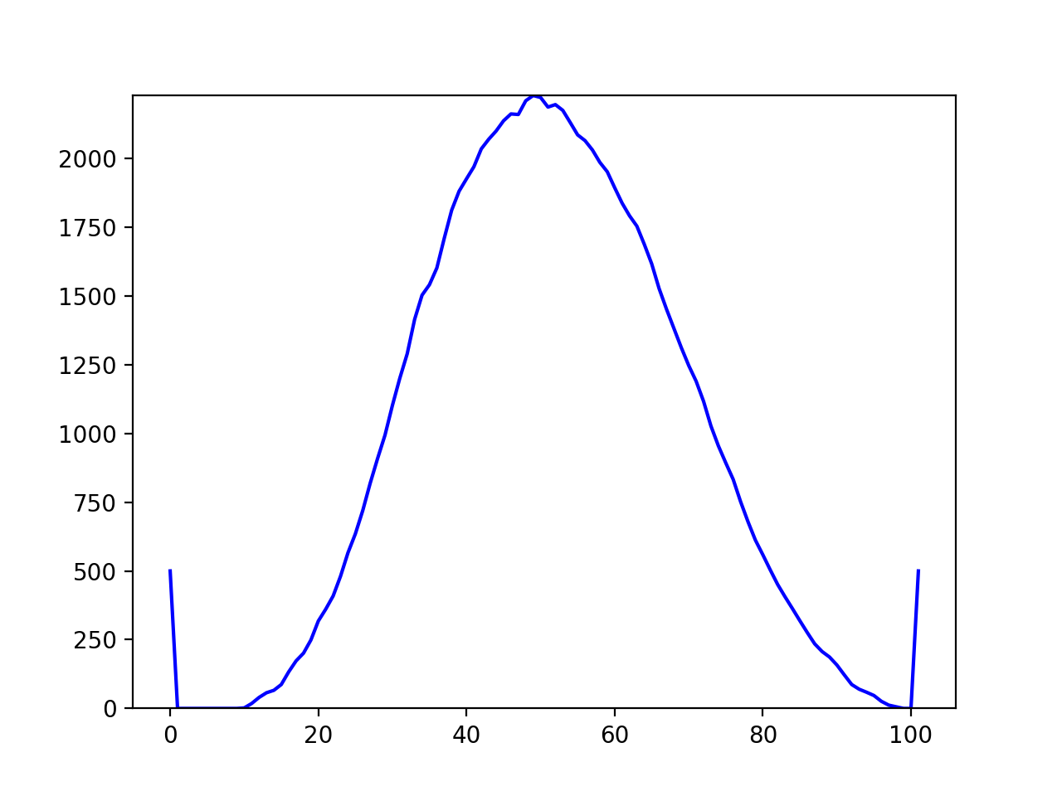 | not_drunk |  | {'sensetivity': 3000, 'x1': 46, 'y1': 794, 'x2': 359, 'y2': 939, 'angle': 25.0, 'flip': False} | 2020-03-01 18:01:52.899208
3 | 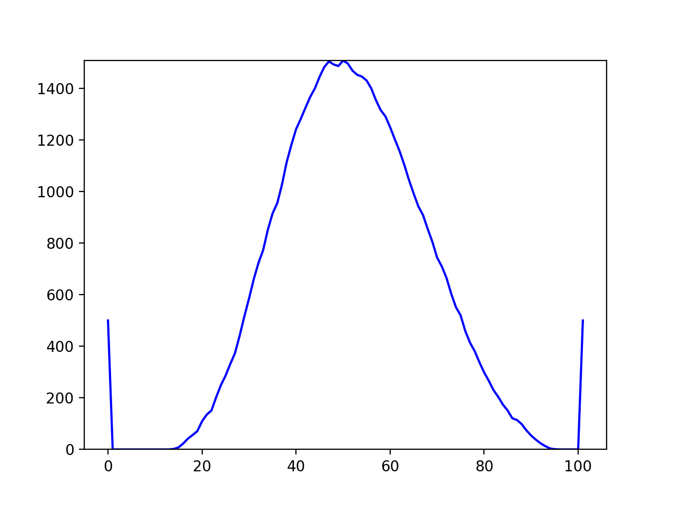 | drunk |  | {'sensetivity': 3000, 'x1': 46, 'y1': 794, 'x2': 359, 'y2': 939, 'angle': 25.0, 'flip': False} | 2020-03-01 18:02:12.752603

